Indices

 | Iraq Stock Exchange
 | Bulletin No (31)
 | ISX Trading Indices of Tuesday 17/2/2026

 | Traded Volume and OTC |  | 631,814,921 |  | Traded Value and OTC |  | 682,338,220 |  | Traders | 649

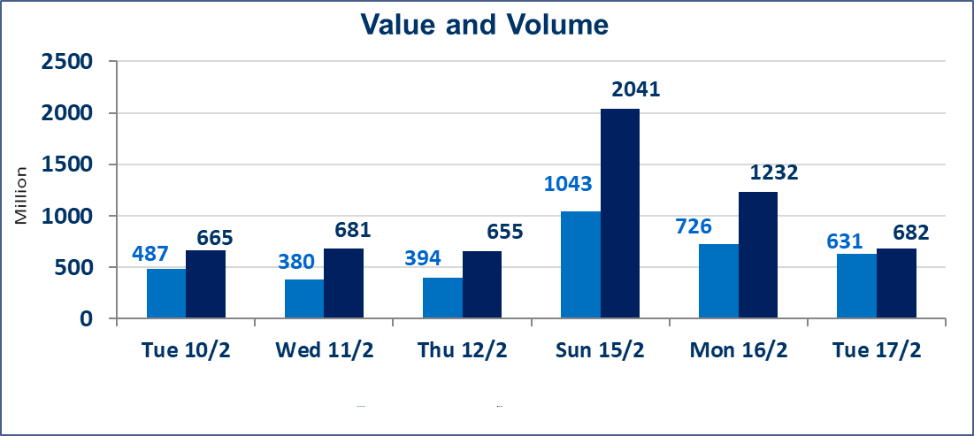
 | ISX Index 60 |  |  | 951.06 | ISX Index 15 |  |  | 1228.81
 | Previous ISX Index60 |  |  | 947.78 | Previous ISX Index15 |  |  | 1229.17
 | Change % |  |  | 0.35 | Change % |  |  | -0.03
 | Change |  |  | 3.28 | Change |  |  | -0.36

 | Listed Companies | 104 | OTC | 14 | Non Traded listed | 42 | OTC | 12
 | Traded Listed Companies | 52 | OTC | 2 | Higher Companies |  |  | 12
 | GAM Companies |  |  | 0 | Lower Companies |  |  | 16
 | Suspended Companies |  |  | 10
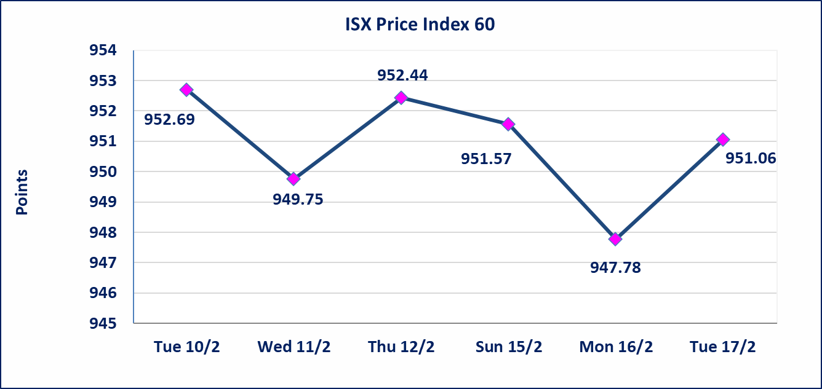
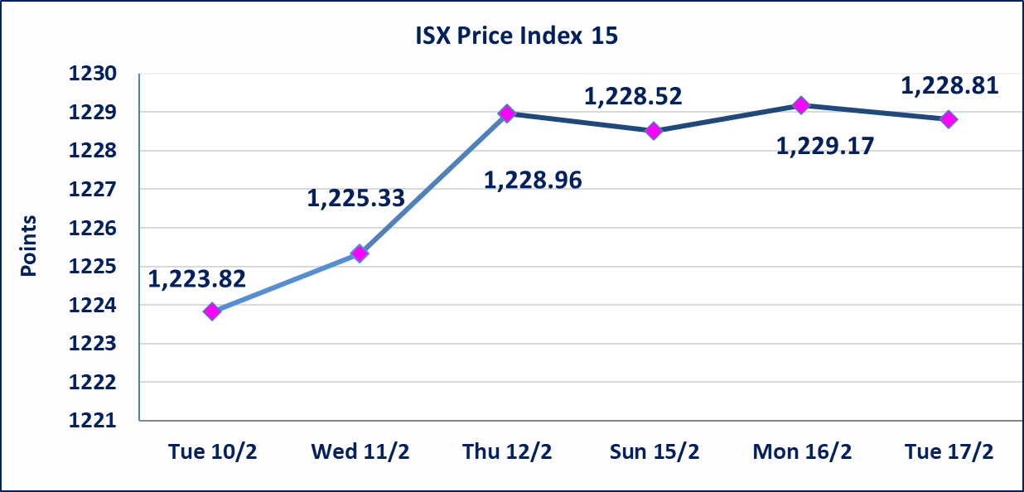

Al-Alwiya P.O . 3607 Mobile: 07711211522 - 07270094594 - 07834000034 E-mail: info-isx@isx-iq.net Web site:www.isx-iq.net

Top 5
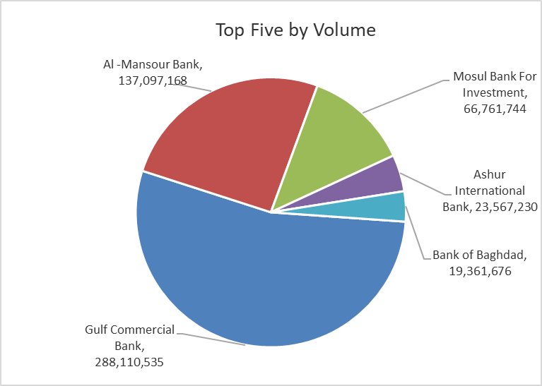
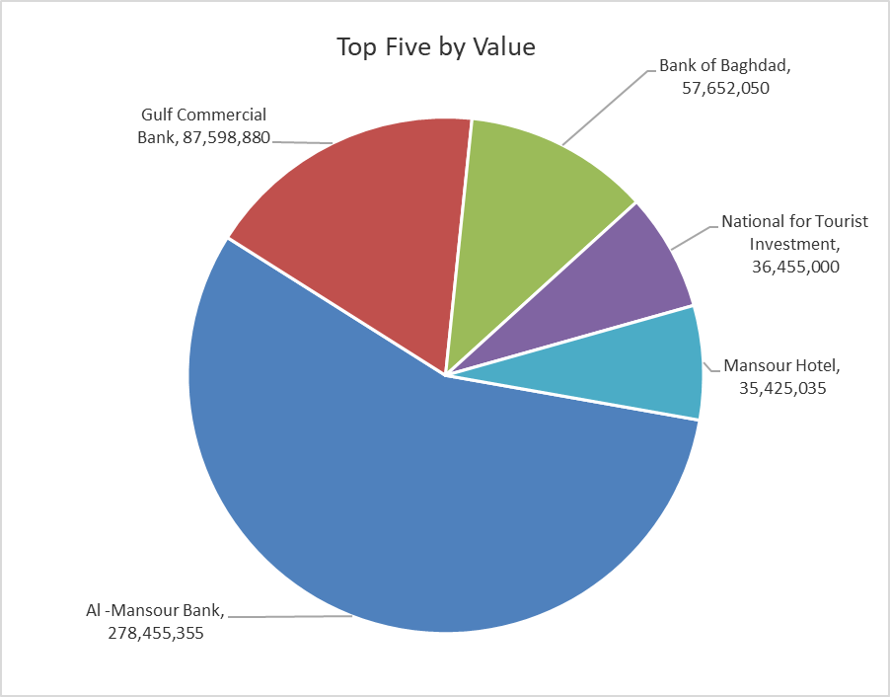

ISX top ganing and losing companies
Tuesday 17/2/2026
 | Gainers |  |  |  | Losers
 | Company Name | Closing Price | Change (%) | Traded Volume | Company Name | Closing Price | Change (%) | Traded Volume
 | Mosul Bank For Investment | 0.130 | 8.33 | 66,761,744 | Kurdistan International Bank | 1.490 | -3.87 | 140,197
 | Al-Ameen for Insurance | 0.920 | 8.24 | 685,023 | Ashur International Bank | 0.250 | -3.85 | 23,567,230
 | Alahliya For Insurance | 0.850 | 3.66 | 11,292 | Credit Bank Of Iraq | 0.620 | -3.12 | 4,004,907
 | Gulf Commercial Bank | 0.310 | 3.33 | 288,110,535 | Modern Construction Materials | 1.740 | -2.79 | 61,296
 | Al-Mansour Pharmaceuticals Industries | 2.100 | 2.94 | 627,729 | Al-Mosul for funfairs | 7.000 | -2.78 | 560,000
 | The most active companies in term of traded volume and value

 | Traded Volume |  |  |  | Traded Value
 | Company Name | Closing Price | Change (%) | Traded Volume | Company Name | Closing Price | Change (%) | Traded Value
 | Gulf Commercial Bank | 0.310 | 3.33 | 288,110,535 | Al -Mansour Bank | 2.050 | 0.99 | 278,455,355
 | Al -Mansour Bank | 2.050 | 0.99 | 137,097,168 | Gulf Commercial Bank | 0.310 | 3.33 | 87,598,880
 | Mosul Bank For Investment | 0.130 | 8.33 | 66,761,744 | Bank of Baghdad | 2.980 | 0.34 | 57,652,050
 | Ashur International Bank | 0.250 | -3.85 | 23,567,230 | National for Tourist Investment | 9.050 | -2.69 | 36,455,000
 | Bank of Baghdad | 2.980 | 0.34 | 19,361,676 | Mansour Hotel | 45.000 | 2.27 | 35,425,035

Non Iraqis

Iraq Stock Exchange
Non Iraqis' Bulletin Tuesday Feb 17 2026
Regular Market

Non Iraqi Trading of Regular Market (Sell)
Company Names | Code | No.of trades | Traded Shares | Trading Volume
Banks Sector
National Bank Of Iraq | BNOI | 1 | 730,000 | 3,504,000
Al-Mansour Bank | BMNS | 17 | 101,573,266 | 206,225,195
Total Bank sector |  | 18 | 102,303,266 | 209,729,195
Grand Total |  | 18 | 102,303,266 | 209,729,195

Not Trading Bonds

Iraq Stock Exchange
Tuesday 17/2/2026
Not Trading Bonds Bulletin
Bond type | Publish type | Code | last trading price | immortilize date
Banaa Bonds /Million ID | Second | CB20 | 964,981 | 19/12/2025
Eamar Bonds /Million ID | First | CB30 | 1,001,095 | ــــــــــــــــ
Eamar Bonds /Million ID | Second | CB40 | ــــــــــــــــ | ــــــــــــــــ
Eamar Bonds /500 Thousand ID | Third | CB45 | ــــــــــــــــ | ــــــــــــــــ
Eamar Bonds /Million ID | Third | CB50 | ــــــــــــــــ | ــــــــــــــــ
Injaz Bonds /500 Thousand ID | First | CB55 | ــــــــــــــــ | ــــــــــــــــ
Injaz Bonds /Million ID | First | CB60 | ــــــــــــــــ | ــــــــــــــــ
Injaz Bonds /500 Thousand ID | Second | CB65 | 515,047 | ــــــــــــــــ
Injaz Bonds /Million ID | Second | CB70 | 1,026,082 | ــــــــــــــــ
Injaz Bonds /500 Thousand ID | Third | CB75 | ــــــــــــــــ | ــــــــــــــــ
Injaz Bonds /Million ID | Third | CB80 | 978,182 | ــــــــــــــــ
National Bonds/Million ID | First | CB90 | ــــــــــــــــ | ــــــــــــــــ
National Bonds/500 Thousand ID | Second | CB95 | ــــــــــــــــ | ــــــــــــــــ
National Bonds/Million ID | Second | CB100 | ــــــــــــــــ | ــــــــــــــــ

